Sheet1
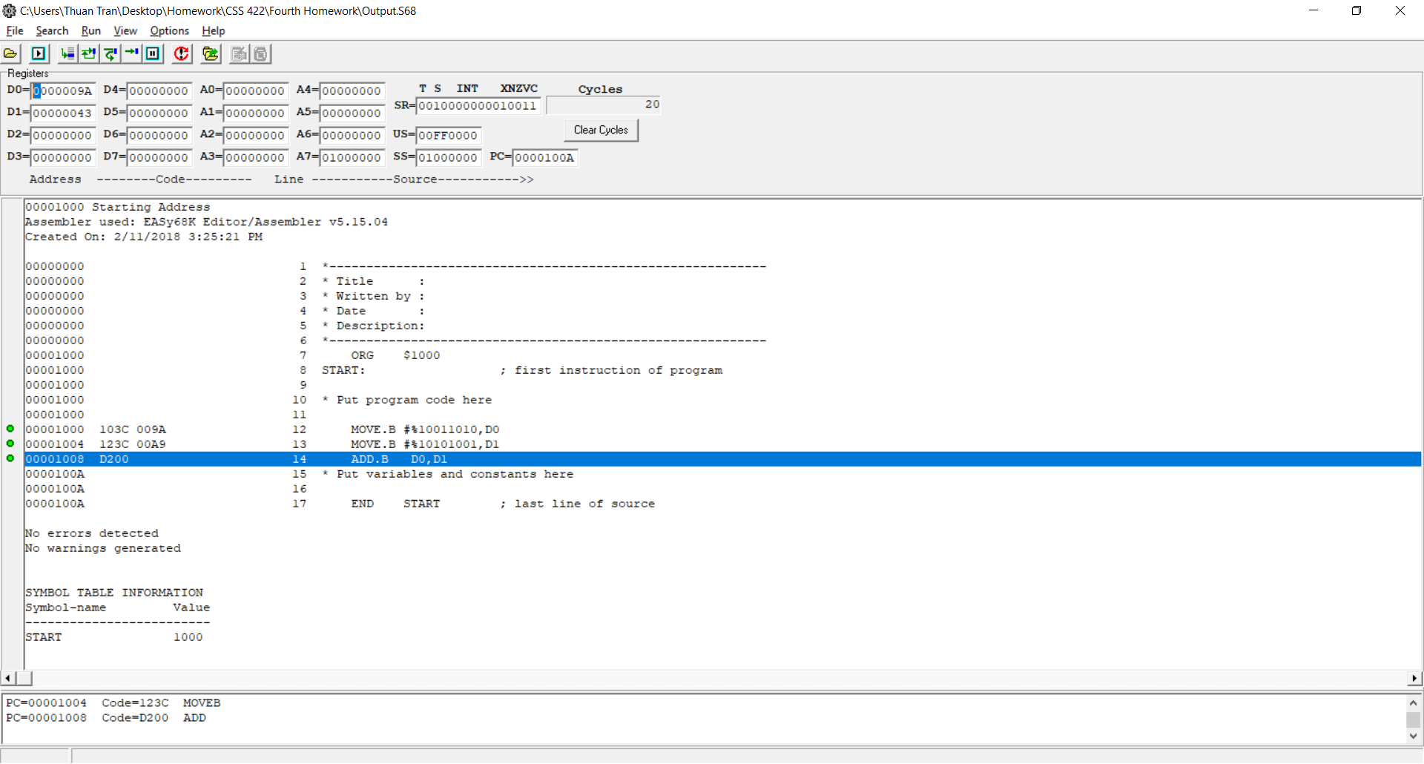
Questions | Answer Columns | Answer Columns | Answer Columns | Answer Columns
(1) Convert the following 68K assembly language instructions to their binary and hexadecimal machine code equivalents | In Binary (Look to D column for explanation) | In Hex | specified the location of the instruction as well, not just the machine code
(1a) MOVE.W D1, $0000A000 | 0011 001 111 000 001 0000 0000 0000 0000 1010 0000 0000 0000' | 33C1 0000 A000
(1b) MOVE.B $42A3,D1 | 0001 001 000 111 000 0100 0010 1010 0011' | 1238 42A3
(1c) ADD.L D7, D0 | 1101 000 010 000 111 | D087

(2) The following instructions cause assembler errors. Explain why the assembler would flag each as an error.
(2a) MOVE.B $A000, A3 | Address does not accept byte instructions
(2b) ADD.B #$1000,D2 | Used add byte but #$1000 exceeded byte limit
(2c) MOVEA.W $1234, D0 | D0 is not an address register
(2d) ANDI.B #23, #$100 | #$100 is not an effective address to match syntax

(3) Convert the following numbers into 8-bit hexadecimal values.
Number | Binary | Complemented | Two's Complement | Hex
-102 | 01100110 | 10011001 | 10011010 | 9A
-87 | 01010111 | 10101000 | 10101001 | A9
-31 | 00011111 | 11100000 | 11100001 | E1

(4) Add up the first two binary numbers from the previous problem in Two’s complement form.
(4a) What is the sum in hex? | 01000011' Only take 8 bit => 43 . If take all, the binary will be '101000011' (143 hex)
(4b) What is the sign bit? | 0. Should be 1 but since overflow so take 0
(4c) Did overflow occur? | yes. Because the result exceeded 8 bit
(4d) Code this up in 68K and include a screenshot of the output here as well as your source & listing files. What happens? | Screenshot below. What happened is that easy68k truncated and only take to match 8 bit

(5) Using the IEEE single-precision floating-point format, convert the following numbers from decimal to binary
Number | Decimal Value | Starting Form | Shifted Binary in Scientific Notation | Sign Bit | Exponent | Mantissa | Hex
 |  | Binary (with Mantissa) | (y * 2c)
-69/32 | -2.15625 | -10.00101 | -1.000101 * 2^1' | 1 | 10000000 | 00010100000000000000000' | 0xC00A0000
13.625 | 13.625 | 1101.101 | 1.101101 * 2^3' | 0 | 10000010 | 10110100000000000000000' | 0x415A0000

(6) Convert the following IEEE single-precision floats from hex to decimal. Show each step of your calculations for your sign bit, exponent, mantissa, and your final answer. | Sign bit | Exponent Bits | Mantissa Bits
(6a) 0x42E48000 | 0 | 10000101 | 11001001000000000000000'
(6b) 0xC6F00040 | 1 | 10001101 | 11100000000000001000000'

0x42E48000 = 01000010111001001000000000000000 = 114.25

0xC6F00040 = -30720.125 = 11000110111100000000000001000000

